NO TIP INVOICES NOTIF
SAMPLE EMAIL FOR THIS ISSUE |  | ROOT CAUSE EXPLANATION AND RECOMMENDATION
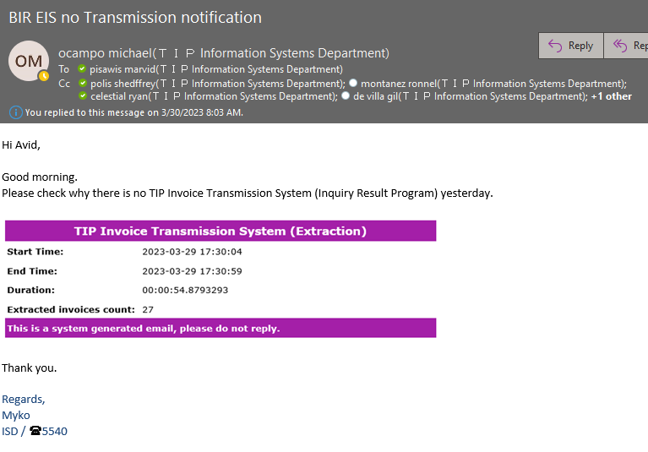

STEP 1: Please check the status of the invoices for the specified date.

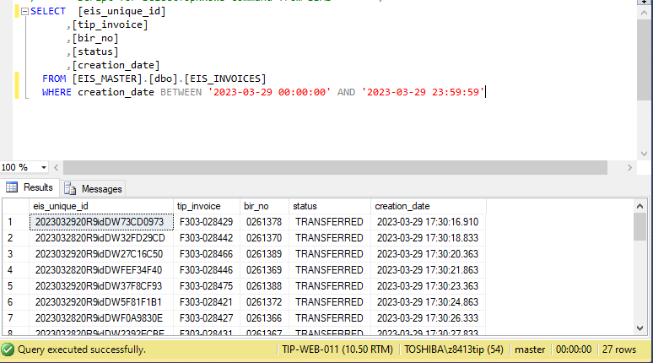
The invoices are currently in 'EXTRACTED' status, but they should be in 'TRANSFERRED' status.

STEP 2: GO TO \\tip-web-008 AND CHECK THE FOLDERS FOR TRANSFERRED

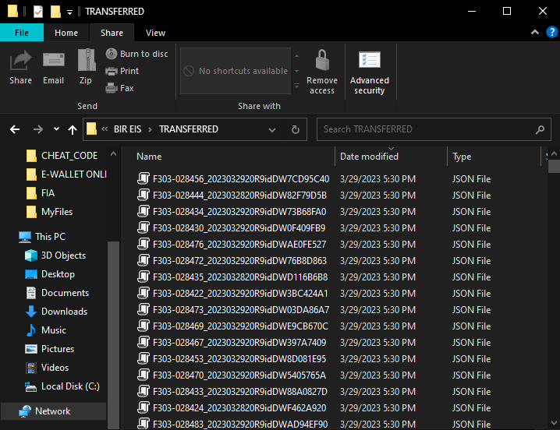

Check all the invoices on the BIR website using the EIS ID.

EIS UNIQUE ID

SAMPLE ONLY

 | STEP 3: After confirming that all the invoices have been transferred, we now have to rerun the program to update the status to 'Transferred' so that we can receive an email for transmission notification.

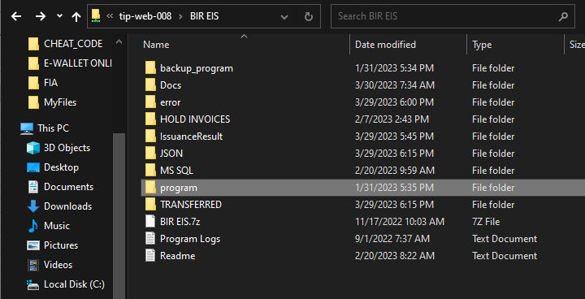

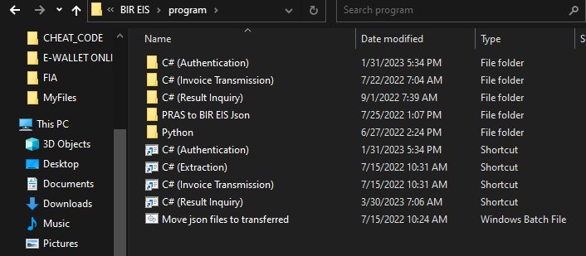
If not, click this.

You can run this shortcut if the problem is on the same day or SYSDATE.

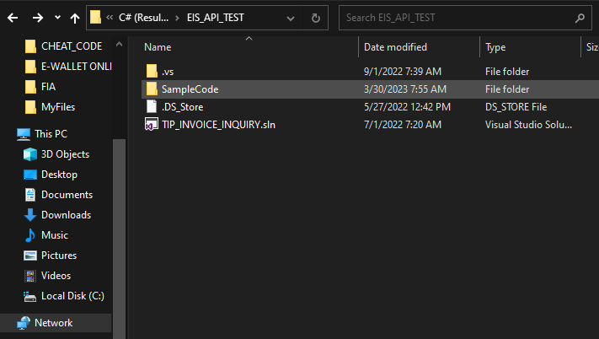

Open this file

 | If the problem is on the same day, you can simply run this (InquiryResultCaller.cs). If not, proceed to the next screenshot.

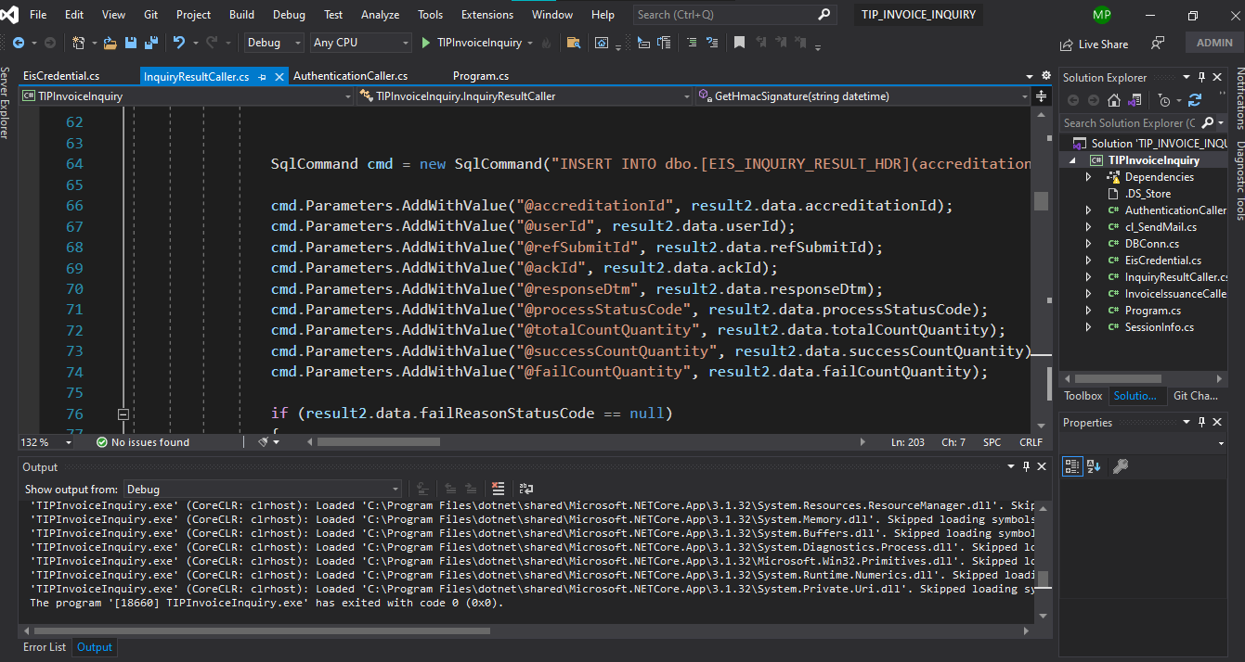

 | IF THE PROBLEM IS FROM THE PREVIOUS DAY

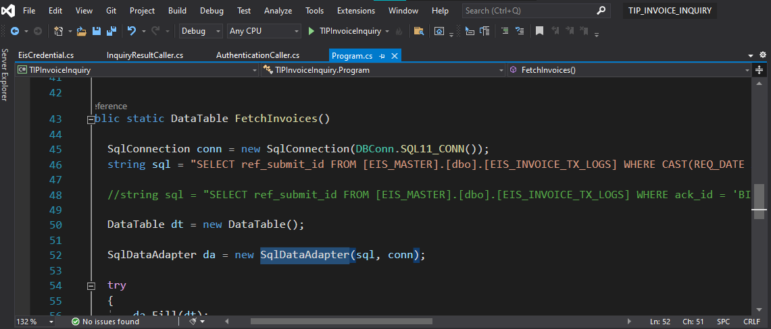

Comment out this query and create your own query based on the date or data you need to recover.

 | NOTE: Don't forget to return the program to its original query, which fetches data from the current day or sysdate.

